1. Title Page
Grocery Basket Analysis

Project Name: Grocery Basket Analysis
Date: 06/25/2022
Analyst Name: Martyna Ryba

Contents:
Population Flow
Consistency checks
Wrangling steps
Column derivations
Visualizations
Recommendations

Objective
You’re an analyst for an existing company, Instacart, an online grocery store that operates
through an app. Instacart already has very good sales, but they want to uncover more
information about their sales patterns. Your task is to perform an initial data and exploratory
analysis of some of their data in order to derive insights and suggest strategies for better
segmentation based on the provided criteria.

Context
The Instacart stakeholders are most interested in the variety of customers in their database
along with their purchasing behaviors. They assume they can't target everyone using the same
methods, and they’re considering a targeted marketing strategy. They want to target different
customers with applicable marketing campaigns to see whether they have an effect on the sale
of their products. Your analysis will inform what this strategy might look like to ensure Instacart
targets the right customer profiles with the appropriate products. The stakeholders would like to
be able to answer the following key questions:

2. Population Flow
Title page

Population flow

Exclusion flag
Condition: max_order <
Obervations to be removed:
Final total count of order_products_all:

Orders_products_combined
Orders_products_merged
Orders_products_all

Total: 32,404,859
Total: 32,434,489
Total: 32,404,859

1.) The grey boxes in the first row of the population flow represent the original data sets as they were when you downloaded them. In the Total fields you need to add the count of the rows when you imported the data set into Jupyter.
2.) The second row of boxes (coloured) represents the data sets after you manipulated them, e.g., removed missing values and duplicates. In the Total fields you need to add the count of the rows after conducting these operations. This offers a visual oveview of how the data flows throughout the data consistency checks.
3.) The third row, where also the arrows are coloured, represents the merges you performed between the datasets. In the Total fields you need to add the count of the rows in the merged datasets, so that you end up with the final dataset (in the red box). Keep in mind the final dataset should be without exclusions (based on the exclusion flag).

3. Consistency checks
 |  |  |  | Title page
Consistency checks

Dataset | Missing values | Missing values treatment | Duplicates
orders | days_since_last_order (206,209 values) | created new customer column
products | product_name (16 values) | created new df | 5 duplicates
orders_products_prior
customers | first_name (11,259 values) | remain in df

4. Wrangling steps
 |  |  |  | Title page
Wrangling steps

Columns dropped | Columns renamed | Columns' type changed | Comment/Reason
eval_set |  |  | not needed for analysis
 | orders_dow |  | clarify "dow"
 |  | order_id | ignore numerical value
 |  | user_id | ignore numerical value
 |  | order_hour_of_day | changed to numerical value
_merge |  |  | not needed for analysis
 | Surnam |  | uniform column names
 | First Name |  | uniform column names
 | Gender |  | uniform column names
 | STATE |  | uniform column names
 | Age |  | uniform column names
 | n_dependents |  | clarify "n"
 | fam_status |  | clarify to marital status
 |  | first_name | changed to string
Unnamed: 0.1 |  |  | not needed for analysis
Unnamed: 0_x |  |  | not needed for analysis
first_name |  |  | PII
last_name |  |  | PII

5. Column derivations
 |  |  |  | Title page

Column derivations and aggregations

In this tab you should add tables below that the frequences of flags/label variables that you produced after deriving them. NB: don't do this for continuous variables, only for flags.
Dataset | New column | Column/s it was derived from | Conditions
df_orders_products_merged | price_label | prices | low-range product', 'mid-range product', 'high-range product' based on how much a product costs
 | busiest_day | orders_days_of_week | busiest day', 'least busy', 'regular busy' based on orders per day
 | busiest_period_of_day | order_hour_of_day | most orders', 'fewest orders', 'average orders' based on orders per hour
ords_prods_merge | loyalty_flag | max_order | loyal customer', 'regular customer', 'new customer' based on number of unique order ids per user id
 | spending_flag | prices | low spender' and 'high spender' based on spending
 | frequency_flag | days_since_last_order | non-frequent customer', 'regular customer', 'frequent customer' based on days since last order
full_merge_PII | region | state | Northeast', 'Midwest', 'South', 'West' based on which region a state belongs to
 | exclusion_flag | max_order | normal activity customer' and 'low activity customer' based on whether a customer makes more than 5 unique orders
 | age_group | age | 18-34 age group', '35-50 age group', '51-69 age group', '70-81 age group' based on generational age groups
 | income_group | income | below of near poverty level', 'low income', 'middle class', 'upper middle class', 'high income', 'highest income' based on tax brackets
 | goods_profile | department_id | goods profile based on department id

6. Visualizations
 |  |  |  | Title page

Visualisations

In this tab you should include all the visualtions from Exercises 4.9 and 4.10, alongside the questions from the project brief that they answer. Include any commentary on the relationship between different variables.

4.9
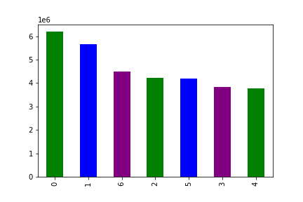

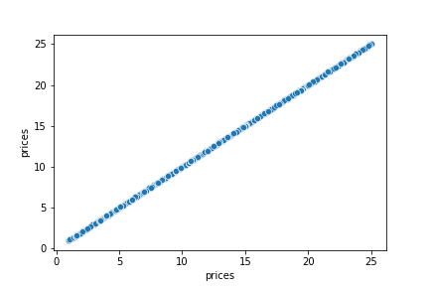

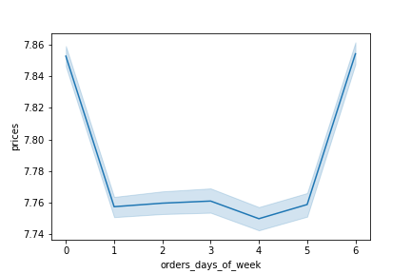

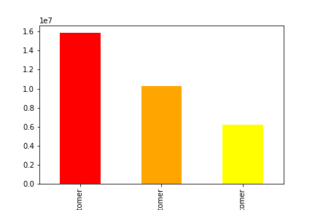
The chart shows day of the week on the X-axis (0 meaning Saturday), with number of orders on the Y-axis
 |  | This chart shows the frequency of item prices, item prices are on the X-axis and |  |  | Scatterplot shows distribution of item prices.
 |  | frequnecy is on the Y-axis.

 |  | The chart shows time on the X-axis (0 meaning midnight), with number of orders on the Y-axis

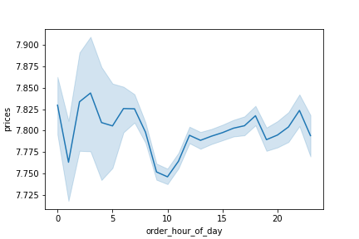
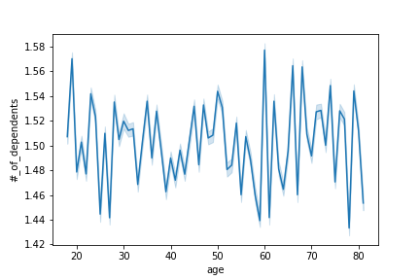
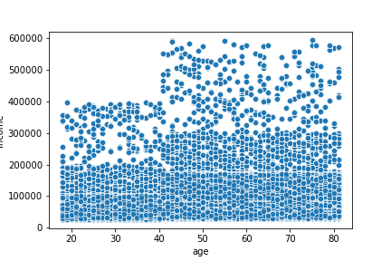
The chart above shows order day of the week on the X-axis and average price on the Y-axis. |  |  |  |  | The chart shows distribution of loyal, regular and new customers. Loyal
 |  |  |  |  | customers are shown in orange, regular in red, and new customers in yellow.

The chart above shows order hour of day on the X-axis and average price on the Y-axis. |  | The chart shows age on the X-axis and number of dependents on the Y-axis |  |  | The chart shows age on the X-axis and income on the Y-axis.

4.10
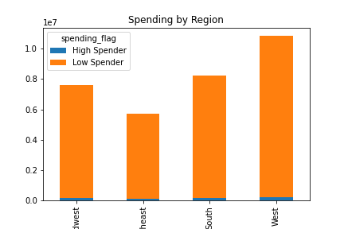
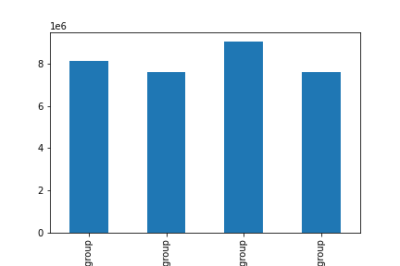
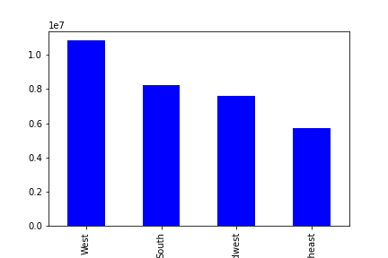

This chart shows customer distrubtion among the West, South, Midwest, and Northeast |  | This chart shows breakdown of high and low spenders in the Midwest, Northeast, South, and |  |  | Shows customer distribution among 18-34, 35-50, 51-69, and 70-81 respectively.
respectively |  | West respectively.
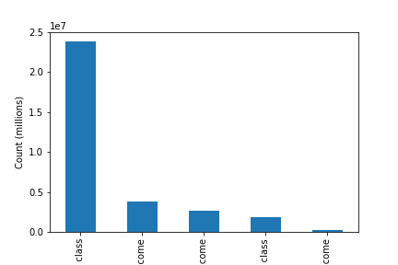
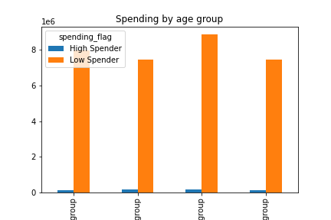
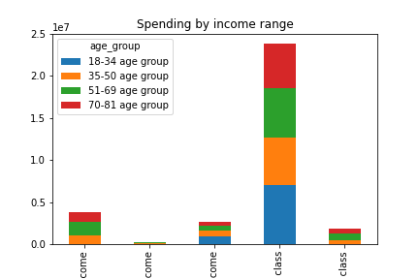

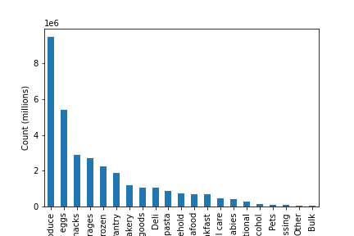
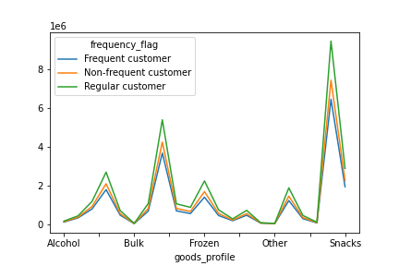
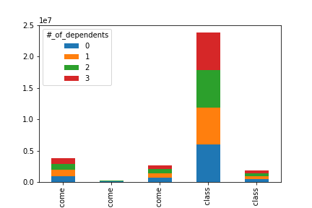
Shows breakdown of high and low spenders age groups in 18-34, 35-50, 51-69, and 70-81 respectively. |  |  | Shows customer breakdown between middle class, high income, low income, upper |  | Shows customer breakdown by age group and income group.
 |  |  | middle class, and highest income respectively |  | (High income, highest income, low income, middle class, and upper middle class respectively)

Visualizes distribution of products based on department. The highest being produce, milk and eggs, |  |  | Examines customer frequency based on product type. |  | Shows customer breakdown by income group and number of dependents.
and snacks. |  |  |  |  | (high income, highest income, low income, middle class, and upper middle class respectively)
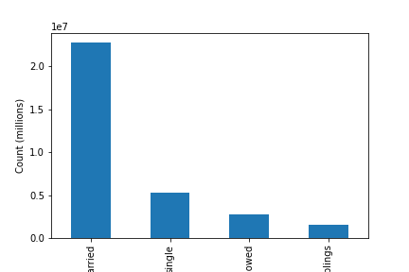
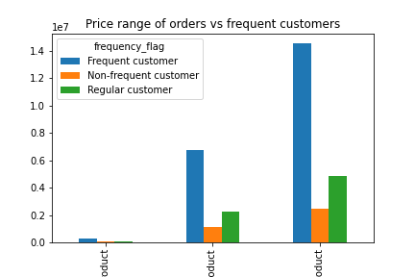

Customer distrbution based on marital status. |  |  | Price range for products on the X-axis (high, low, mid-range respectively) |  | Shows customer distribution among 18-34, 35-50, 51-69, and 70-81 respectively.
(Married, single, widowed, living with parents and siblings respectivley)
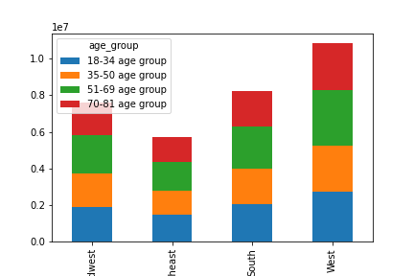

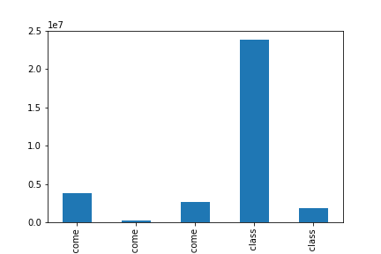
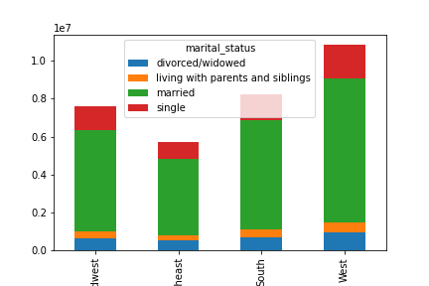

Shows customer breakdown between middle class, high income, low income, upper |  |  | Shows martial status of customers by region (Midwest, Northeast, South, West, respectively) |  |  | Age group by region (Midwest, Northeast, South, West, respectively)
middle class, and highest income respectively
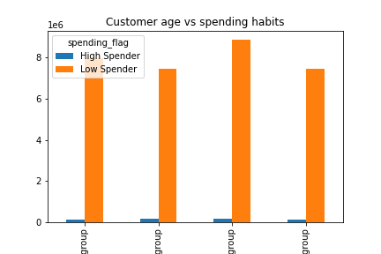
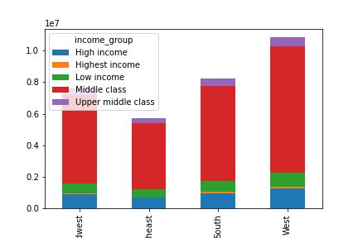
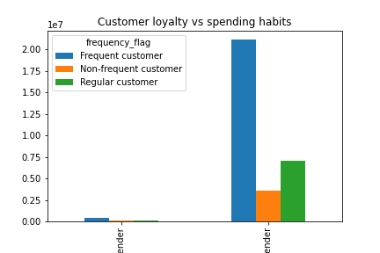

 | Income group by region (Midwest, Northeast, South, West, respectively) |  | Spending habits by customer loyalty (high spender and low spender respectively) |  |  | Spending habits by customer age (18-34, 35-50, 51-69, 70-81)

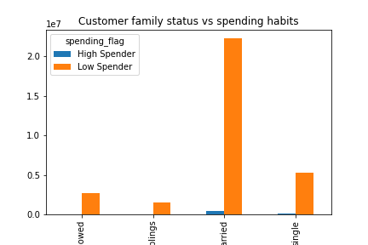
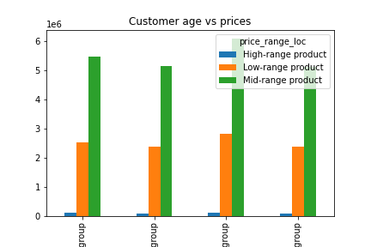
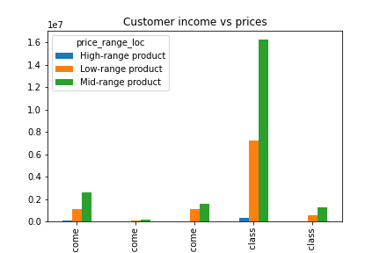

 | Spending habits by customer family status (widowed, living with parents and siblings, |  | Customer age (18-34, 35-50, 51-69, 70-81) vs prices |  |  | Customer income (high income, highest income, low income, middle class, upper
 | married, single) |  |  |  |  | middle class) vs prices
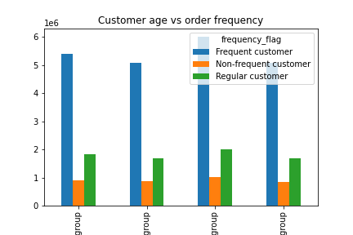
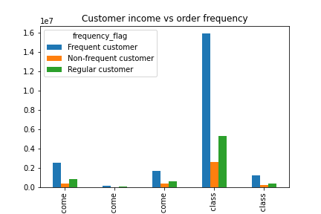
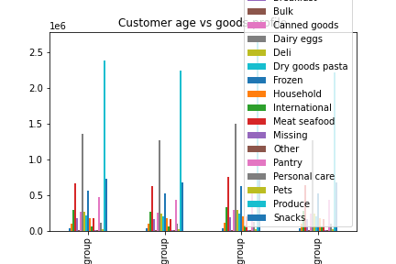

 | Frequency of orders by customer age (18-34, 35-50, 51-69, 70-81) | Frequency of orders by customer income (high, highest, low, middle class, upper |  |  |  | Goods ordered by age groups (18-34, 35-50, 51-69, 70-81)
 |  | middle class)
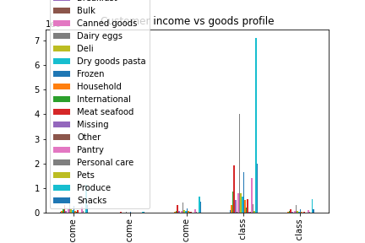

 | Goods ordered by income groups (high income, highest income, low income, middle class, upper middle class)

7. Recommendations
 |  |  |  |  | Title page

Recommendations

In this tab you should include any recommendations you would made to Instcart in terms of their marketing strategy based on the questions posed in the brief. Every key question has been covered in the Tasks of the Exercises - here you need to add an item - a visualisation or table/crosstable that is showing the answer in the data, acompanied by a comment from you. Please, list the questions below and add the answer underneath.

Key Question 1: The sales team needs to know what the busiest days of the week and hours of the day are (i.e., the days and times with the most orders) in order to schedule ads at times when there are fewer orders.

The busiest days are Saturday, Sunday, and Friday. The busiest hours are during the middle of the day, from 10 am to 5 pm. Recommend to schedule more ads to run during those peak times.

Key Question 2: They also want to know whether there are particular times of the day when people spend the most money, as this might inform the type of products they advertise at these times.

People spend the most amount of money early in the morning, this stays consistent throughout the day except for a drop at around 10 am.

Key Question 3: Instacart has a lot of products with different price tags. Marketing and sales want to use simpler price range groupings to help direct their efforts.

Mid-range priced products are the best sellers among all types of customers followed by low-range products. Increasing marketing for these products will increase sales among all customers.

 | high, low, mid-range respectively

Key Question 4: Are there certain types of products that are more popular than others? The marketing and sales teams want to know which departments have the highest frequency of product orders

Produce, dairy and eggs, and snacks are the highest selling products.

Key Question 5: The marketing and sales teams are particularly interested in the different types of customers in their system and how their ordering behaviors differ. For example:
● What’s the distribution among users in regards to their brand loyalty (i.e., how
often do they return to Instacart)?

 |  |  | regular customer, loyal customer, new customer respectively
Majority of users are Regular and Loyal customers (flagged by those customers with 10-40 unique orders). This shows that a majority of Instacart users return to use the service multiple times.

● Are there differences in ordering habits based on a customer’s loyalty status?
 |  |  | high spender and low spender respectively

Regardless of customer loyalty status, majority of customers place orders less than $10

● Are there differences in ordering habits based on a customer’s region?

 |  |  | West, South, Midwest, and Northeast respectively
The most Instacart customers live in the Western states.

● Is there a connection between age and family status in terms of ordering habits?

Regardless of age or marital status, majority of users spend less than $10 per order.

 |  | 18-34, 35-50, 51-69, 70-81 | Widowed, living with parents and sibling, marries, single

● What different classifications does the demographic information suggest? Age? Income? Certain types of goods? Family status?

The most common type of customers are in the 51-69 age group, middle class, and married. The most popular types of goods are produce, dairy and eggs, and snacks.

 | Customer distribution among 18-34, 35-50, 51-69, and 70-81 |  |  | Customer breakdown between middle class, high income, low income,
 | respectively |  |  | upper middle class, and highest income respectively

 | Distribution of products based on department. |  |  | Customer distrbution based on marital status.
 |  |  |  | (Married, single, widowed, living with parents and siblings respectivley)

● What differences can you find in ordering habits of different customer profiles?
Consider the price of orders, the frequency of orders, the products customers are
ordering, and anything else you can think of.

Regardless of age group or income, mid-range products sell the best. The highest order frequency comes from middle class customers aged 51-69. The highest selling products are produce, dairy and eggs, and snacks.

 | 18-34, 35-50, 51-69, 70-81 |  |  | high income, highest income, low income, middle class,
 |  |  |  | upper middle class

 | 18-34, 35-50, 51-69, 70-81 |  |  | high income, highest income, low income, middle class,
 |  |  |  | upper middle class

 | 18-34, 35-50, 51-69, 70-81 |  |  | high income, highest income, low income, middle class,
 |  |  |  | upper middle class

